Step 1 - Regression
Exponential Regression |  |  |  |  | Linear regression
 |  |  | J Rent | 2% |  |  |  | Rent up | 100
 |  |  | J Wage | 2% | EOY | Rent Per Room | Linear Regression | Wage up | 150
EOY | Rent Per Room | Exponential Regression |  |  | 1 | $4,500.00 | $4,500.00
1 | $4,500.00 | $4,500.00 |  |  | 2 | $4,590.00 | $4,600.00
2 | $4,590.00 | $4,599.00 |  |  | 3 | $4,681.80 | $4,700.00
3 | $4,681.80 | $4,700.18 |  |  | 4 | $4,775.44 | $4,800.00
4 | $4,775.44 | $4,803.58 |  |  | 5 | $4,870.94 | $4,900.00
5 | $4,870.94 | $4,909.26 |  |  | 6 | $4,968.36 | $5,000.00
6 | $4,968.36 | $5,017.26 |  |  | 7 | $5,067.73 | $5,100.00
7 | $5,067.73 | $5,127.64 |  |  | 8 | $5,169.09 | $5,200.00
8 | $5,169.09 | $5,240.45 |  |  | 9 | $5,272.47 | $5,300.00
9 | $5,272.47 | $5,355.74 |  |  | 10 | $5,377.92 | $5,400.00
10 | $5,377.92 | $5,473.57 |  |  | 11 | $5,485.47 | $5,500.00
11 | $5,485.47 | $5,593.99 |  |  | 12 | $5,595.18 | $5,600.00
12 | $5,595.18 | $5,717.05 |  |  | 13 | $5,707.09 | $5,700.00
13 | $5,707.09 | $5,842.83 |  |  | 14 | $5,821.23 | $5,800.00
14 | $5,821.23 | $5,971.37 |  |  | 15 | $5,937.65 | $5,900.00
15 | $5,937.65 | $6,102.74 |  |  | 16 | $6,056.41 | $6,000.00
16 | $6,056.41 | $6,237.00 |  |  | 17 | $6,177.54 | $6,100.00
17 | $6,177.54 | $6,374.22 |  |  | 18 | $6,301.09 | $6,200.00
18 | $6,301.09 | $6,514.45 |  |  | 19 | $6,427.11 | $6,300.00
19 | $6,427.11 | $6,657.77 |  |  | 20 | $6,555.65 | $6,400.00
20 | $6,555.65 | $6,804.24 |  |  | 21 | $6,686.76 | $6,500.00
21 | $6,686.76 | $6,953.93 |  |  | 22 | $6,820.50 | $6,600.00
22 | $6,820.50 | $7,106.92 |  |  | 23 | $6,956.91 | $6,700.00
23 | $6,956.91 | $7,263.27 |  |  | 24 | $7,096.05 | $6,800.00
24 | $7,096.05 | $7,423.06 |  |  | 25 | $7,237.97 | $6,900.00
Rent: Linear Regression line:
Y = aX + b, b = base rent =$250 a = increase rent amount by $100 = $350/room
Wage: Linear Regression line:
Y = aX + b, b = base wage = $150
a = increase wage amount = $3750/staff
X = Number of year
25 | $7,237.97 | $7,586.37 |  |  | 26 | $7,382.73 | $7,000.00
26 | $7,382.73 | $7,753.27 |  |  | 27 | $7,530.38 | $7,100.00
27 | $7,530.38 | $7,923.84 |  |  | 28 | $7,680.99 | $7,200.00
28 | $7,680.99 | $8,098.17 |  |  | 29 | $7,834.61 | $7,300.00
29 | $7,834.61 | $8,276.33 |  |  | 30 | $7,991.30 | $7,400.00
30 | $7,991.30 | $8,458.41

EOY | Wages per person | Exponentional Regression
1 | $3,600.00 | $3,600.00 |  |  | EOY | Wages per person | Exponentional Regression
2 | $3,672.00 | $3,679.20 |  |  | 1 | $3,600.00 | $3,600.00
3 | $3,745.44 | $3,760.14 |  |  | 2 | $3,672.00 | $3,750.00
4 | $3,820.35 | $3,842.87 |  |  | 3 | $3,745.44 | $3,900.00
5 | $3,896.76 | $3,927.41 |  |  | 4 | $3,820.35 | $4,050.00
6 | $3,974.69 | $4,013.81 |  |  | 5 | $3,896.76 | $4,200.00
7 | $4,054.18 | $4,102.12 |  |  | 6 | $3,974.69 | $4,350.00
8 | $4,135.27 | $4,192.36 |  |  | 7 | $4,054.18 | $4,500.00
9 | $4,217.97 | $4,284.59 |  |  | 8 | $4,135.27 | $4,650.00
10 | $4,302.33 | $4,378.85 |  |  | 9 | $4,217.97 | $4,800.00
11 | $4,388.38 | $4,475.19 |  |  | 10 | $4,302.33 | $4,950.00
12 | $4,476.15 | $4,573.64 |  |  | 11 | $4,388.38 | $5,100.00
13 | $4,565.67 | $4,674.26 |  |  | 12 | $4,476.15 | $5,250.00
14 | $4,656.98 | $4,777.10 |  |  | 13 | $4,565.67 | $5,400.00
15 | $4,750.12 | $4,882.19 |  |  | 14 | $4,656.98 | $5,550.00
16 | $4,845.13 | $4,989.60 |  |  | 15 | $4,750.12 | $5,700.00
17 | $4,942.03 | $5,099.37 |  |  | 16 | $4,845.13 | $5,850.00
18 | $5,040.87 | $5,211.56 |  |  | 17 | $4,942.03 | $6,000.00
19 | $5,141.69 | $5,326.21 |  |  | 18 | $5,040.87 | $6,150.00
20 | $5,244.52 | $5,443.39 |  |  | 19 | $5,141.69 | $6,300.00
21 | $5,349.41 | $5,563.15 |  |  | 20 | $5,244.52 | $6,450.00
22 | $5,456.40 | $5,685.53 |  |  | 21 | $5,349.41 | $6,600.00
23 | $5,565.53 | $5,810.62 |  |  | 22 | $5,456.40 | $6,750.00
24 | $5,676.84 | $5,938.45 |  |  | 23 | $5,565.53 | $6,900.00
25 | $5,790.37 | $6,069.10 |  |  | 24 | $5,676.84 | $7,050.00
26 | $5,906.18 | $6,202.62 |  |  | 25 | $5,790.37 | $7,200.00
27 | $6,024.31 | $6,339.07 |  |  | 26 | $5,906.18 | $7,350.00
28 | $6,144.79 | $6,478.53 |  |  | 27 | $6,024.31 | $7,500.00
29 | $6,267.69 | $6,621.06 |  |  | 28 | $6,144.79 | $7,650.00
30 | $6,393.04 | $6,766.72 |  |  | 29 | $6,267.69 | $7,800.00
 |  |  |  |  | 30 | $6,393.04 | $7,950.00

Step 2 - WACC
Initial cost investment | $114,600,000.00 |  | itr | 40%

 | Loan |  | Common stocks |  | Preferred Stocks | Retained Earnings
Percentage | 30% | Percentage | 40% | Percentage | 20% | 10%
Loan amount | $34,380,000.00 | Amount | $45,840,000.00 | Amount | $22,920,000.00 | $11,460,000.00
i | 5% | CSD | $5 | CSD | $7 | 9.0000%
m | 100% | PCS | $100 | PCS | $100
Efficetive i | 5% | g | 4% | Cps | $1
Cost of Capital | 3.0000% | Cost of capital | 9.0000% | Cost of capital | 7.0707%

WACC = summation of the product of percentage & cost of capital
BTMARR = WACC + Profit
ATMARR = BTMARR * (1-itr)
Cost of Capital | Percentage
3.0000% | 30%
9.0000% | 40%
7.0707% | 20%
9.0000% | 10%

WACC | 6.8141%
profit | 2%
BTMARR | 8.8141%
ATMARR | 5.2885%

Step 3- plan-3 vs plan-4
PLAN3 |  |  |  | PLAN 4
EVO | PPMT | IPMT | NCF | EVO | PPMT | IPMT | NCF
0 | $34,380,000.00 |  | $34,380,000.00 | 0 | $34,380,000.00 |  | $34,380,000.00
1 | ($492,366.70) | ($1,818,181.09) | ($2,310,547.79) | 1 | $0.00 | $0.00 | $0.00
2 | ($518,405.44) | ($1,792,142.35) | ($2,310,547.79) | 2 | $0.00 | $0.00 | $0.00 | TVOM | 5.2885%
3 | ($545,821.23) | ($1,764,726.56) | ($2,310,547.79) | 3 | $0.00 | $0.00 | $0.00
4 | ($574,686.91) | ($1,735,860.89) | ($2,310,547.79) | 4 | $0.00 | $0.00 | $0.00 | i | 5.2885%
5 | ($605,079.14) | ($1,705,468.66) | ($2,310,547.79) | 5 | $0.00 | $0.00 | $0.00
6 | ($637,078.66) | ($1,673,469.14) | ($2,310,547.79) | 6 | $0.00 | $0.00 | $0.00
7 | ($670,770.47) | ($1,639,777.33) | ($2,310,547.79) | 7 | $0.00 | $0.00 | $0.00
8 | ($706,244.06) | ($1,604,303.73) | ($2,310,547.79) | 8 | $0.00 | $0.00 | $0.00
9 | ($743,593.67) | ($1,566,954.12) | ($2,310,547.79) | 9 | $0.00 | $0.00 | $0.00
10 | ($782,918.51) | ($1,527,629.29) | ($2,310,547.79) | 10 | $0.00 | $0.00 | $0.00
11 | ($824,323.03) | ($1,486,224.76) | ($2,310,547.79) | 11 | $0.00 | $0.00 | $0.00
12 | ($867,917.23) | ($1,442,630.56) | ($2,310,547.79) | 12 | $0.00 | $0.00 | $0.00
13 | ($913,816.90) | ($1,396,730.89) | ($2,310,547.79) | 13 | $0.00 | $0.00 | $0.00
14 | ($962,143.97) | ($1,348,403.82) | ($2,310,547.79) | 14 | $0.00 | $0.00 | $0.00
15 | ($1,013,026.81) | ($1,297,520.98) | ($2,310,547.79) | 15 | $0.00 | $0.00 | $0.00
16 | ($1,066,600.58) | ($1,243,947.21) | ($2,310,547.79) | 16 | $0.00 | $0.00 | $0.00
17 | ($1,123,007.59) | ($1,187,540.20) | ($2,310,547.79) | 17 | $0.00 | $0.00 | $0.00
18 | ($1,182,397.68) | ($1,128,150.12) | ($2,310,547.79) | 18 | $0.00 | $0.00 | $0.00
19 | ($1,244,928.60) | ($1,065,619.19) | ($2,310,547.79) | 19 | $0.00 | $0.00 | $0.00
20 | ($1,310,766.46) | ($999,781.33) | ($2,310,547.79) | 20 | $0.00 | $0.00 | $0.00
21 | ($1,380,086.15) | ($930,461.65) | ($2,310,547.79) | 21 | $0.00 | $0.00 | $0.00
22 | ($1,453,071.79) | ($857,476.00) | ($2,310,547.79) | 22 | $0.00 | $0.00 | $0.00
23 | ($1,529,917.27) | ($780,630.52) | ($2,310,547.79) | 23 | $0.00 | $0.00 | $0.00
24 | ($1,610,826.72) | ($699,721.08) | ($2,310,547.79) | 24 | $0.00 | $0.00 | $0.00
25 | ($1,696,015.04) | ($614,532.75) | ($2,310,547.79) | 25 | $0.00 | $0.00 | $0.00
26 | ($1,785,708.54) | ($524,839.25) | ($2,310,547.79) | 26 | $0.00 | $0.00 | $0.00
27 | ($1,880,145.47) | ($430,402.33) | ($2,310,547.79) | 27 | $0.00 | $0.00 | $0.00
28 | ($1,979,576.68) | ($330,971.12) | ($2,310,547.79) | 28 | $0.00 | $0.00 | $0.00
29 | ($2,084,266.29) | ($226,281.50) | ($2,310,547.79) | 29 | $0.00 | $0.00 | $0.00
30 | ($2,194,492.40) | ($116,055.40) | ($2,310,547.79) | 30 | ($34,380,000.00) | ($126,956,322.40) | ($161,336,322.40)

 |  | PW | $0.00 |  |  | PW | $0.00

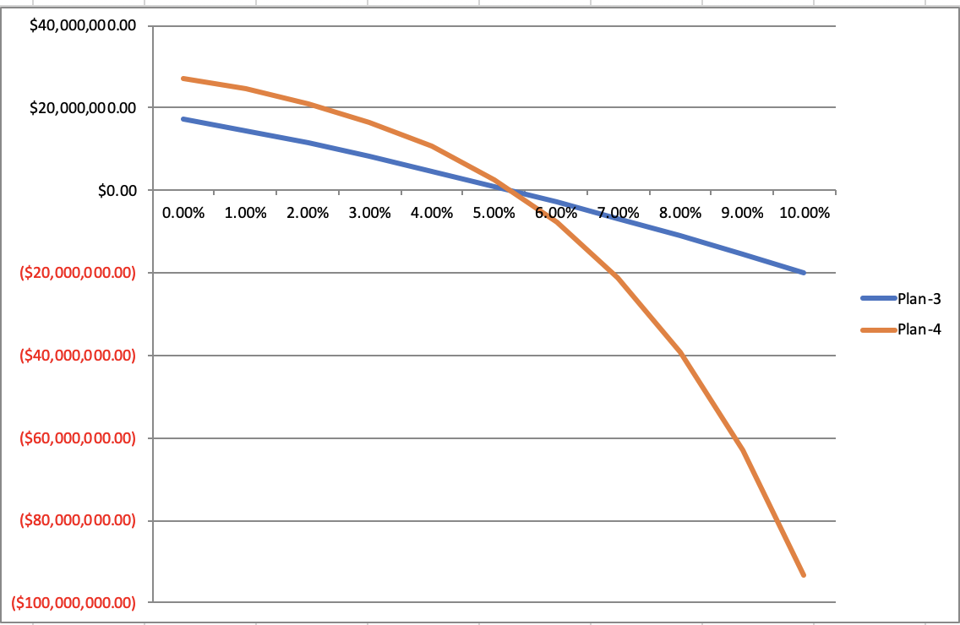

 | i | PLAN 3 | PLAN 4
 | 0.00% | $17,327,991.77 | $27,053,786
 | 1.00% | $14,558,005.64 | $24,505,370.61
 | 2.00% | $11,538,874.73 | $21,109,577.67
 | 3.00% | $8,280,575.11 | $16,597,356.06
 | 4.00% | $4,796,420.21 | $10,618,176.23
 | 5.00% | $1,102,271.81 | $2,716,525.90
 | 6.00% | ($2,784,295.10) | ($7,698,044.59)
 | 7.00% | ($6,844,800.48) | ($21,389,008.34)
 | 8.00% | ($11,060,583.76) | ($39,341,176.29)
 | 9.00% | ($15,413,407.95) | ($62,821,849.78)
 | 10.00% | ($19,885,926.43) | ($93,458,052.61)

* As we can see from graph:
(i) if leander's rate < TVOM. use plan-4 for the borrowing.
(ii) if leander's rate > TVOM, plan-3 for the borrowing

Step 4 summary
1. Since lender's rate < MARR, thus we prefer to use Plan-4. Thus, the Present Worth calculated for Plan-4 is greater than the one for Plan-3.
2. The Present Worth for Geometric CF is greater than the Uniform CF. This is expected since the revenues are greater in geometric CF.

Summary

Present Worth

 | SLN Plan 3 | SLN Plan4 | MACRS Plan3 | MACRS Plan4
Uniform | $53,910,478.13 | $57,617,835.96 | $54,773,062.44 | $58,480,420.27
Geometric | $88,701,935.98 | $92,409,293.81 | $89,564,520.29 | $93,271,878.13

IRR
 | SLN Plan 3 | SLN Plan4 | MACRS Plan3 | MACRS Plan4
Uniform | 10.37% | 12.00% | 10.48% | 12.13%
Geometric | 12.35% | 13.94% | 12.46% | 14.05%

Observation:
For all the cases, IRR is greater than the ATMARR. Thus, the investment is feasible to do.

